Sheet1
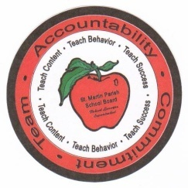
 |  |  | St. Martin Parish School Board |  |  |  |  | FORM: SMPSB-11
 |  |  |  |  |  |  |  | Revised: 07/2008
 |  |  | PETTY CASH COUNT SCHEDULE

SCHOOL

DATE

A |  |  | UNREIMBURSED VOUCHER
 |  |  | (items not submitted for reimbursement yet - attach copies) |  |  |  | $-

B |  |  | OUTSTANDING PURCHASE ORDER
 |  |  | (po's submitted but not paid yet- Attach Copy) |  |  |  | $-

C |  |  | CURRENCY (Details Below)

D |  |  | COINS (details Below)

TOTAL (A+B+C+D)
ORIGINAL BALANCE |  |  |  |  |  |  | $-
DIFFERENCE

 |  | Explanation for difference:

CURRENCY |  |  |  | COINS
 |  | insert # of bills |  |  |  | insert # of coins
$20 | = | 0 |  | $0.25 | = | 0
$10 | = | 0 |  | $0.10 | = | 0
$5 | = | 0 |  | $0.05 | = | 0
$1 | = | 0 |  | $0.01 | = | 0
OTHER |  |  | $- | OTHER |  |  | $-
TO "C" ABOVE |  |  |  | TO "D" ABOVE

 |  |  |  | Performed by:
 |  |  |  | Verified by:

