AccidentReportForm
WORKERS COMPENSATION - FIRST REPORT OF INJURY OR ILLNESS
EMPLOYER (NAME & ADDRESS INCL ZIP) |  |  | CARRIER/ADMINISTRATOR CLAIM NUMBER Not Applicable |  |  |  | OSHA LOG NUMBER Not Applicable |  | REPORT PURPOSE CODE Not Applicable
St. Martin Parish School Board P.O. Box 1000 Breaux Bridge, LA 70517 |  |  | JURISDICTION Not Applicable |  |  |  | JURISDICTION CLAIM NUMBER Not Applicable
 |  |  | INSURED REPORT NUMBER Not Applicable
 |  |  | EMPLOYER'S LOCATION ADDRESS (IF DIFFERENT) Not Applicable |  |  |  |  |  | LOCATION # Not Applicable
INDUSTRY CODE 611110 | EMPLOYER FEIN 72-6001274 |  |  |  |  |  |  |  | PHONE # 337-332-2105
CARRIER/CLAIMS ADMINISTRATOR
CARRIER (NAME, ADDRESS, & PHONE |  |  | POLICY PERIOD TO |  |  | CLAIMS ADMINISTRATOR (NAME, ADDRESS & PHONE #) Louisiana Claims Administrators P.O. Box 1246 Prairieville, LA 70769 888-225-1726
St. Martin Parish School Board P.O. Box 1000 Breaux Bridge, LA 70517 337-332-2105 |  |  |  |  |  | Louisiana Claims Administrators P.O. Box 1246 Prairieville, LA 70769 888-225-1726

 |  |  | CHECK IF APPROPRIATE aSelf Insurance

CARRIER FEIN 72-6001274 |  | POLICY/SELF-INSURED NUMBER |  |  |  |  |  |  | ADMINISTRATOR FEIN 27-1991946
AGENT NAME & CODE NUMBER Not Applicable
EMPLOYEE/WAGE
NAME (LAST, FIRST, MIDDLE) |  |  | DATE OF BIRTH |  |  | SOCIAL SECURITY NUMBER |  |  | DATE HIRED | STATE OF HIRE
 |  |  |  |  |  |  |  |  |  | LA
ADDRESS (INCLUDE STAE AND ZIP) |  |  | SEX |  |  | MARITAL STATUS |  |  | OCCUPATION/JOB TITLE

 |  |  |  |  |  |  |  |  | EMPLOYMENT STATUS

PHONE (HOME OR CELL…NOT SCHOOL NUMBER) |  |  | # OF DEPENDENTS N/A |  |  |  |  |  | NCCI CLASS CODE Not Applicable

RATE |  |  | N/A | # of DAYS WORKED/WEEK |  | FULL PAY FOR DAY OF INJURY?
PER: |  |  |  |  |  | DID SALARY CONTINUE?
OCCURRENCE/TREATMENT
CANNOT BE
DETERMINED
TIME EMPLOYEE BEGAN WORK | DATE OF INJURY/ILLNESS |  | TIME OF OCCURRENCE |  |  | LAST WORK DATE |  |  | DATE EMPLOYER NOTIFIED | DATE DISABILITY BEGAN

CONTACT NAME / PHONE NUMBER (PRINCIPAL/ ADMIN. NAME & NUMBER) |  |  |  |  | TYPE OF INJURY / ILLNESS |  |  | PART OF BODY AFFECTED

DID INJURY/ILLNESS/EXPOSURE OCCUR ON EMPLOYER'S PREMISES? |  |  |  |  | TYPE OF INJURY / ILLNESS CODE |  |  | PART OF BODY AFFECTED CODE

DEPARTMENT OR LOCATION WHERE ACCIDENT OR ILLNESS EXPOSURE OCCURRED (PLEASE INCLUDE SCHOOL NAME OR ADMINISTRATIVE LOCATION NAME) |  |  |  |  | ALL EQUIPMENT, MATERIALS, OR CHEMICALS EMPLOYEE WAS USING WHEN ACCIDENT OR ILLNESS EXPOSURE OCCURRED

SPECIFIC ACTIVITY THE EMPLOYEE WAS ENGAGED IN WHEN THE ACCIDENT OR ILLNESS EXPOSURE OCCURRED |  |  |  |  | WORK PROCESS THE EMPLOYEE WAS ENGAGED IN WHEN ACCIDENT OR ILLNESS EXPOSURE OCCURRED

HOW INJURY OR ILLNESS/ABNORMAL HEALTH CONDITION OCCURRED. DESCRIBE THE SEQUENCE OF EVENTS AND INCLUDE ANY OBJECTS OR SUBSTANCES THAT DIRECTLY INJURED THE EMPLOYEE OR MADE THE EMPLOYEE ILL
 |  |  |  |  |  |  |  |  | CAUSE OF INJURY CODE
DATE RETURN(ED) TO WORK |  | IF FATAL, GIVE DATE OF DEATH |  |  |  | WERE SAFEGUARDS/SAFETY EQUIPMENT PROVIDED?
 |  |  |  |  |  | WERE THEY USED?
PHYSICIAN/HEALTH CARE PROVIDER (NAME & ADDRESS) |  |  |  |  | HOSPITAL / OFF SITE TREATMENT (NAME & ADDRESS) |  |  |  | INITIAL TREATMENT
 |  |  |  |  |  |  |  |  | □NO MEDICAL TREATMENT □MINOR: BY EMPLOYER □MINOR CLINIC/HOSP □EMERGENCY CARE □HOSPITALIZED > 24 HOURS □FUTURE MAJOR MEDICAL/ LOST TIME ANTICIPATED

OTHER
WITNESS (NAME & PHONE#)

DATE ADMINISTRATOR NOTIFIED |  | DATE PREPARED |  |  | PREPARER'S NAME & TITLE |  |  |  |  | PHONE NUMBER

LWC-WC IA-1 |  |  |  |  |  |  |  |  |  | IAIABC 2002

AccidentReportInstructions
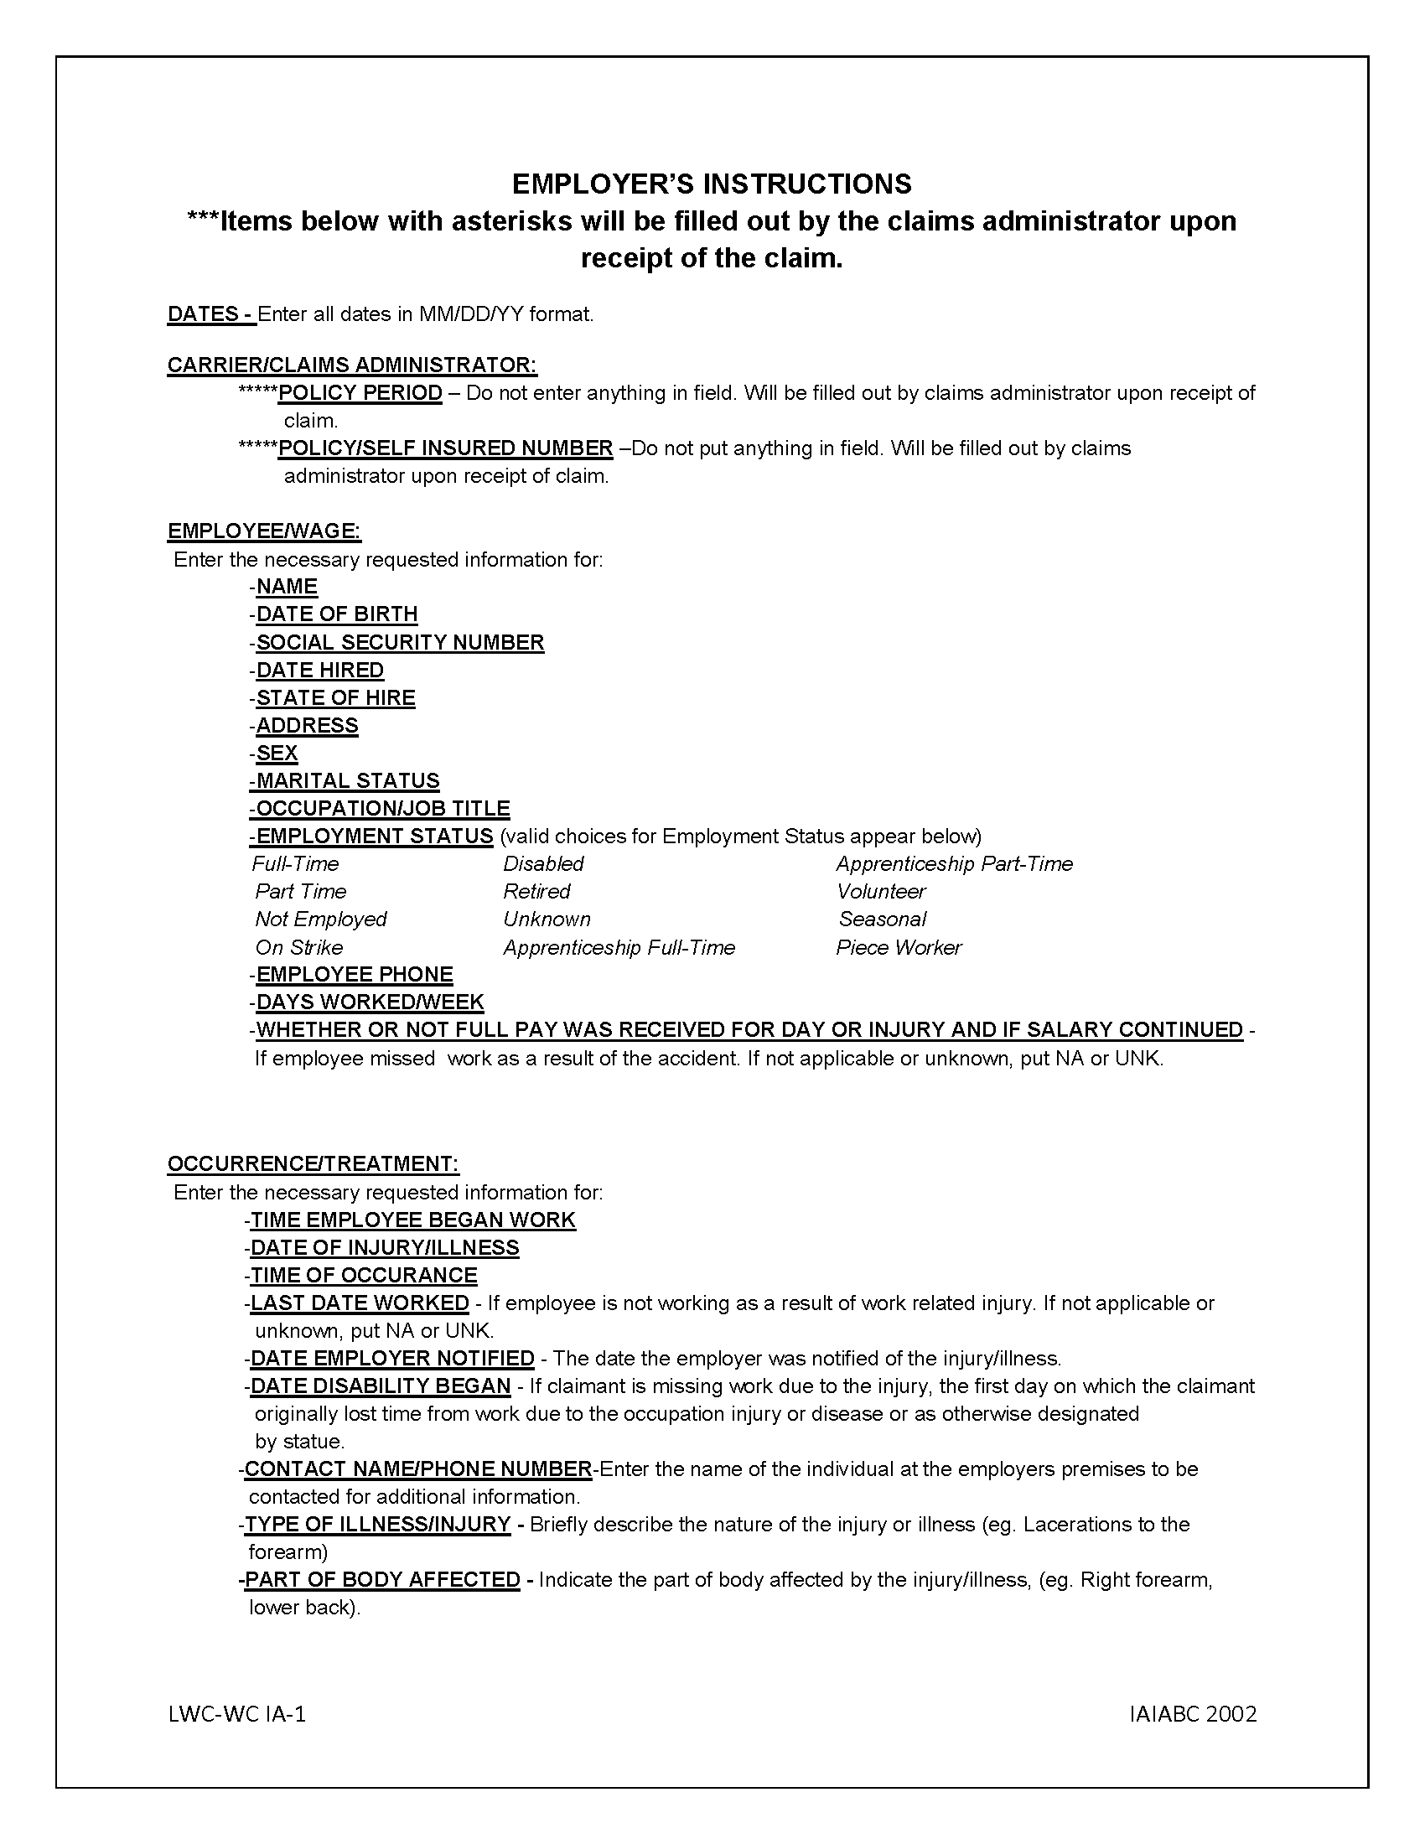

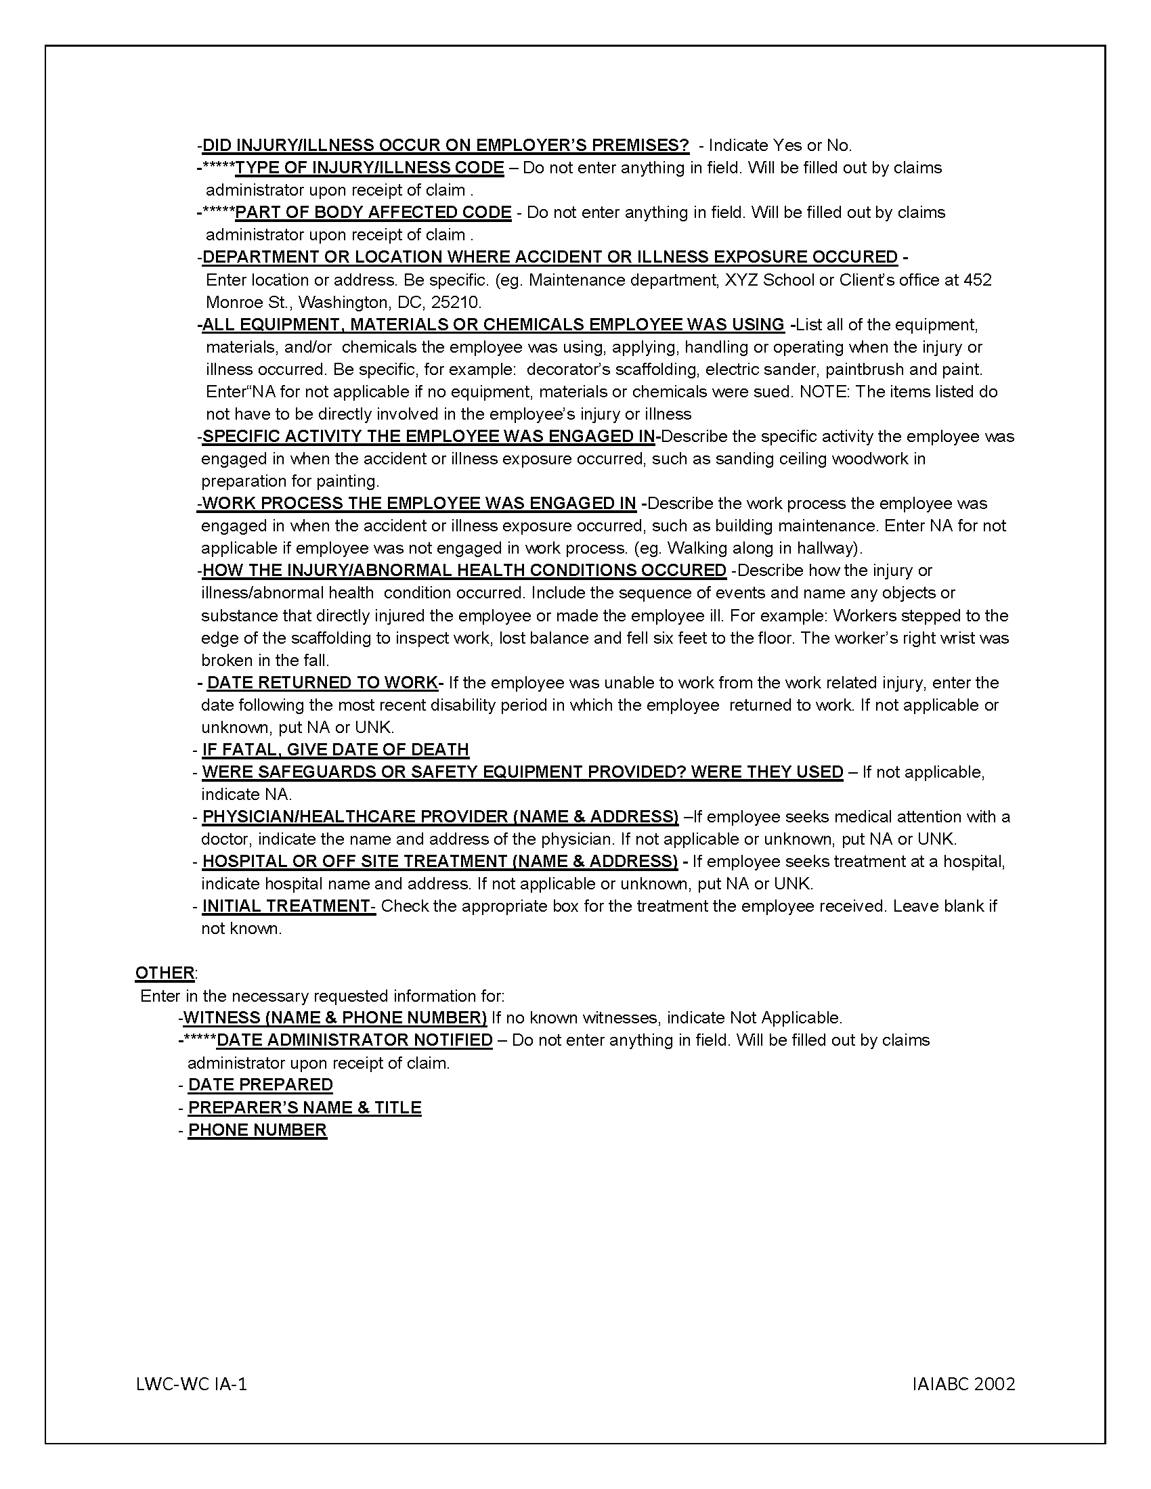

PROTECT WORKBOOK
1 .Click on the File tab on the excel work book

2. Click on the Protect workbook button
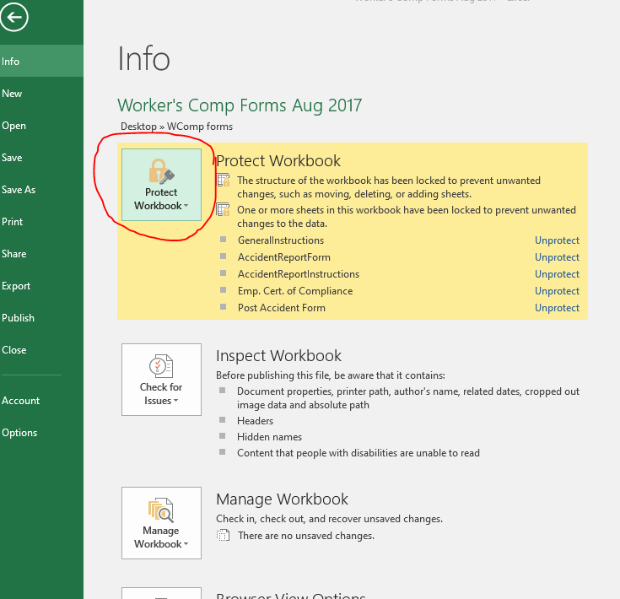

3. From the drop down menu select Encrypt with Password
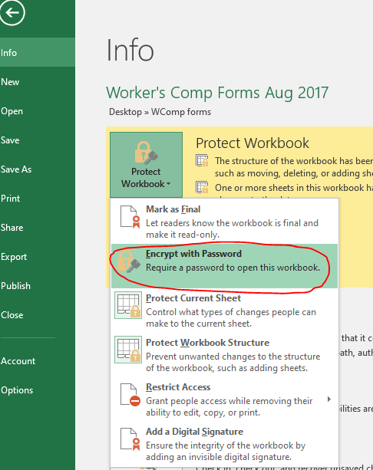

4. Enter the CAPTIAL LETTER password provided by Gwyn Theriot or Mr. Polotzola
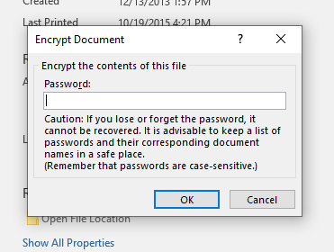

5. Press OK and a confirmation box will pop-up. Reenter the password and confirm.

The file is NOT password protected until it is SAVED.

